container collector claim form
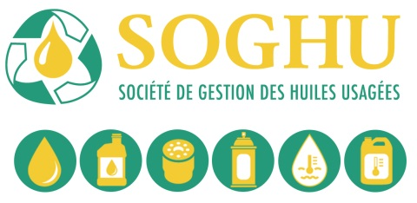
Used AEROSOL containers (lubricants and break cleaners only)
Collector RI Claim Form

Collector Name |  |  |  |  |  | Invoice #
Mailing Address
City |  |  |  | Prov. |  | Postal Code
Phone |  | Fax |  |  | Collector #
GST# |  | QST # |  |  | Name of Processor

Pick-up Date YYYYMMDD | Recycle Docket # |  | Zone | Total Kgs. |  | x Zone Rate | Amount Claimed
 |  |  |  |  |  | - | -
 |  |  |  |  |  | - | -
 |  |  |  |  |  | - | -
 |  |  |  |  |  | - | -
 |  |  |  |  |  | - | -
 |  |  |  |  |  | - | -
 |  |  |  |  |  | - | -
 |  |  |  |  |  | - | -
 |  |  |  |  |  | - | -
 |  |  |  |  |  | - | -
 |  |  |  |  |  | - | -
 |  |  |  |  |  | - | -
 |  |  |  |  |  | - | -
For SOGHU only
GL # ________________ Date _____________
Prepared by ___________________________
Signature _____________________________
 |  |  | Total | - |  | Subtotal | -
 |  |  |  |  | GST @ 5% |  | -
 |  |  |  |  | QST @ 9.975% |  | -
 |  |  |  |  |  | Total | -

Ensure all verification documents are attached (recycle dockets, processor sign-off docket, weigh ticket.)
I certify that all of the information contained within this request is correct. I understand the information in this report is subject to audit. The detailed records which substantiate the information herein are available upon request.I certify that, to the best of my knowledge, the materials included in this claim were generated within Quebec. I further acknowledge that I have read, and agree to be bound by, the terms and conditions on the reverse (page 2).

Name |  |  |  | Signature

Date

SOGHU GST # 853664944 QST#1207 6636 69
 |  |  |  |  |  |  | 'Revised July 4, 2017
Page 1 of 2

